BARA - PJ Member Order
Item number | Product name | Quantity | PJ Price | PJ Total | BARA Price | BARA Total | Your Name:
032357 | Amaretto Disaronno (EXAMPLE) | 2 | $12.24 | $24.48 | $17.00 | $34.00

 |  |  |  |  |  |  | Return form to board@bishkekrec.org
 |  |  |  |  |  |  | Don't forget to set your currency to USD on the Peter Justesen website
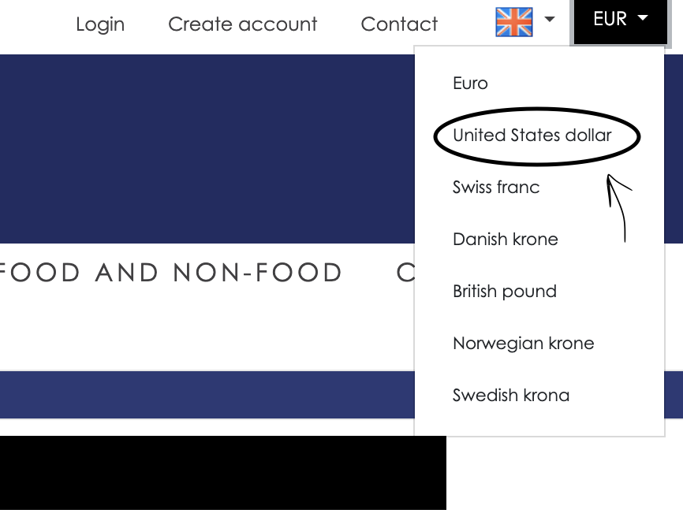

 |  |  |  |  | Total: | $0.00

